INTRO
SUPERMARKET SALES ANALAYTICS
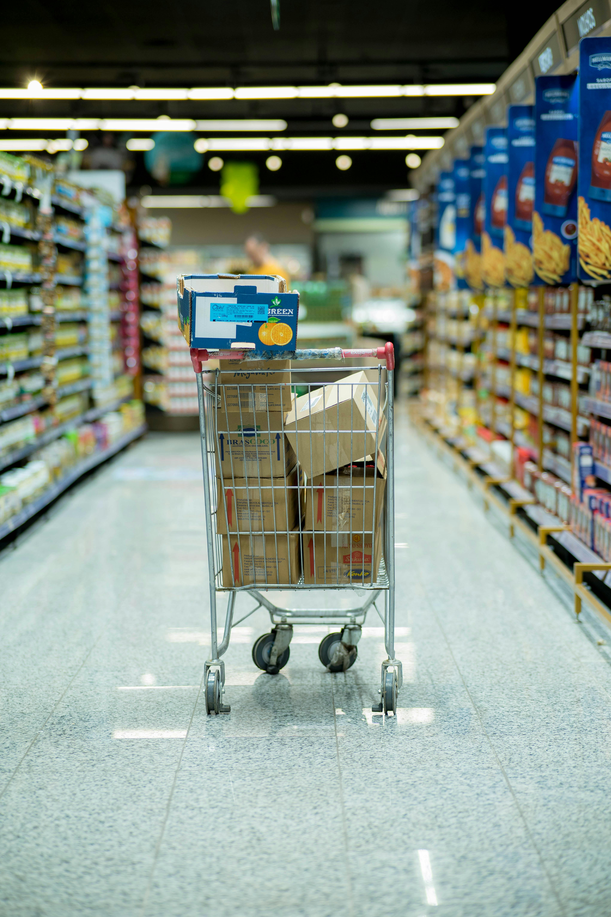

 | Submitted By Alex Jebastin C

Branch vice
Row Labels | Sum of Total | Sum of Tax 5% | Sum of Unit price
C | ₹ 4,010 | ₹ 191 | ₹ 597
Grand Total | ₹ 4,010 | ₹ 191 | ₹ 597

Total vs Tax vs Unit price

Product Line
Row Labels | Sum of Total | Sum of Tax 5% | Sum of Unit price
Home and lifestyle | ₹ 4,010 | ₹ 191 | ₹ 597
Grand Total | ₹ 4,010 | ₹ 191 | ₹ 597

Product sum Total
Row Labels | Sum of Total
Home and lifestyle | ₹ 4,010
Grand Total | 4009.677

City Gross Income
Row Labels | Sum of Total | Sum of gross income
Naypyitaw | 4009.677 | 190.937
Grand Total | 4009.677 | 190.937

Payment City vice
Row Labels | Sum of Total
Naypyitaw | ₹ 4,010
Grand Total | 4009.677

Customer Type
Row Labels | Sum of Total
Normal | 4009.677
Grand Total | 4009.677

Sales Dashboard
Sales Dashboard

₹ 4,010
Total
₹ 191
Tax
₹ 60
Quantity
₹ 597
Unit Price

Total vs Tax vs Unit price
 | Sum of Total | Sum of Tax 5% | Sum of Unit price
C | ₹ 4,010 | ₹ 191 | ₹ 597
 | Sum of Total | Sum of Tax 5% | Sum of Unit price
Home and lifestyle | ₹ 4,010 | ₹ 191 | ₹ 597
 | Sum of Total | Sum of gross income
Naypyitaw | 4009.677 | 190.937

 | Total
Home and lifestyle | ₹ 4,010
 | Total
Naypyitaw | ₹ 4,010
 | Total
Normal | 4009.677

